Terms and Conditions
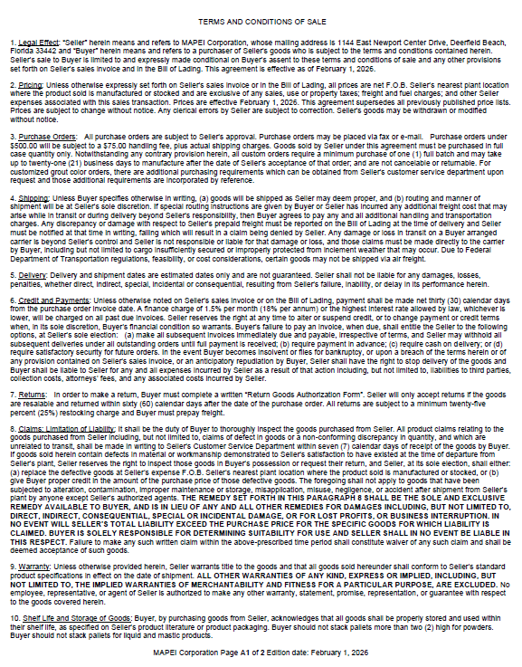
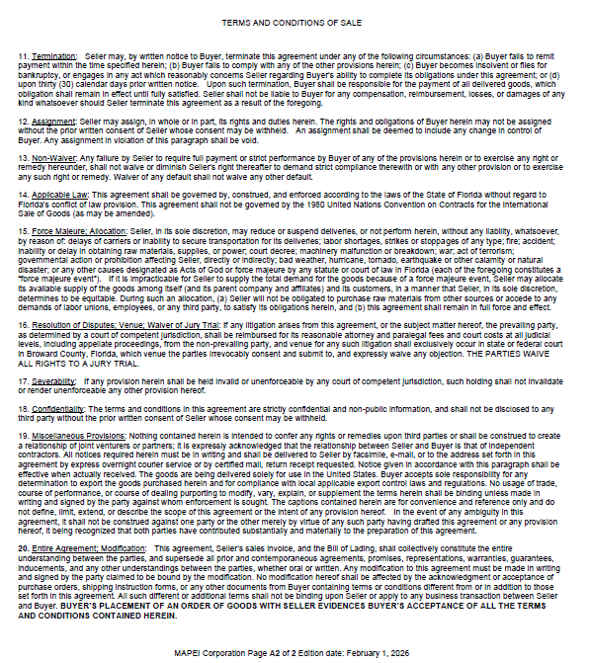

FREIGHT CHARGES ADDENDUM
FREIGHT CHARGES ADDENDUM
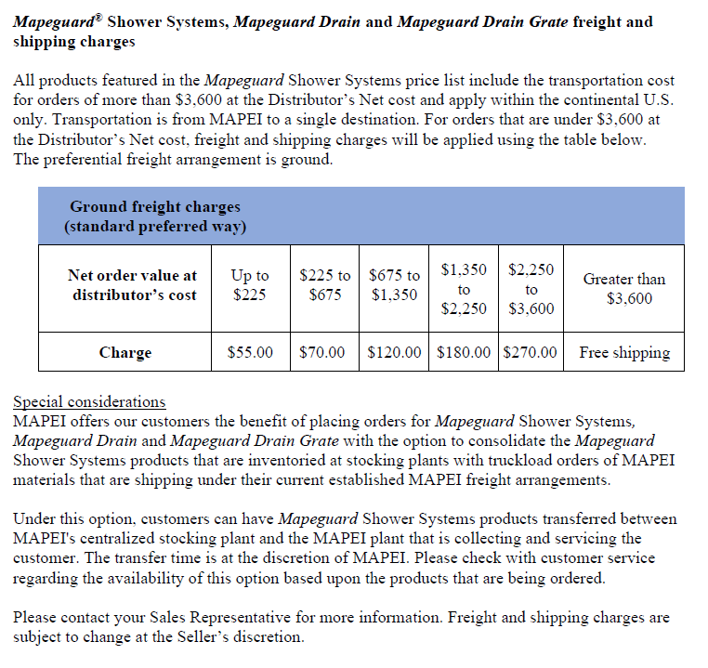

 | VERSION 25-2598

