DID
 |  |  |  |  |  |  |  |  |  |  | Effective Date: April 2025
GST SKU | Supplier SKU | Image | Description | Nominal Size (inches) | Actual Size (inches) | SQF/PCS | SQF/BOX | WEIGHT/PCS (lbs) | WEIGHT/BOX (lbs) | PCS/BOX | PCS/PAL | BOX/PAL | MINIMUM Purchase QTY | LIST PRICE | PRICE UOM
 | ARTISTIC IMPRESSIONS
ATYANTHAIDH | ANTHAIDH | 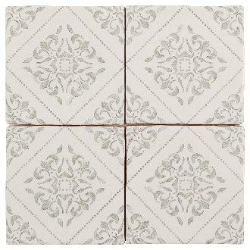 | DALI HABITAT | 5" x 5" | 5.12" x 5.12" | 0.181 | 5.973 | 0.58 | 19.14 | 33 | 3,960 | 120 | BOX | $23.25 | SF
ATYANTHAIDHP | ANTHAIDHP | 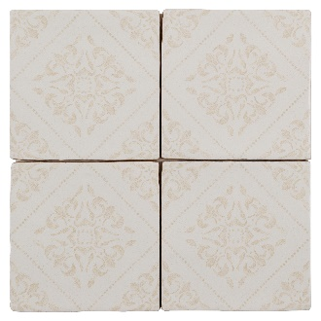 | DALI HONEYPOT | 5" x 5" | 5.12" x 5.12" | 0.181 | 5.973 | 0.58 | 19.14 | 33 | 3,960 | 120 | BOX | $23.25 | SF
ATYANTHAIDJ | ANTHAIDJ | 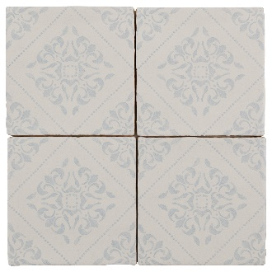 | DALI JUNIPER | 5" x 5" | 5.12" x 5.12" | 0.181 | 5.973 | 0.58 | 19.14 | 33 | 3,960 | 120 | BOX | $23.25 | SF
ATYANTHAIDM | ANTHAIDM | 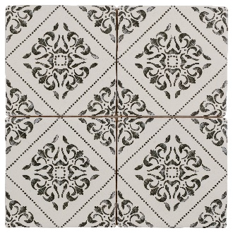 | DALI MOONSTONE | 5" x 5" | 5.12" x 5.12" | 0.181 | 5.973 | 0.58 | 19.14 | 33 | 3,960 | 120 | BOX | $23.25 | SF
ATYANTHAIH | ANTHAIH |  | HABITAT 5x5 | 5" x 5" | 5.12" x 5.12" | 0.181 | 5.973 | 0.58 | 19.14 | 33 | 3,960 | 120 | BOX | $23.25 | SF
ATYANTHAIHP | ANTHAIHP |  | HONEYPOT 5x5 | 5" x 5" | 5.12" x 5.12" | 0.181 | 5.973 | 0.58 | 19.14 | 33 | 3,960 | 120 | BOX | $23.25 | SF
ATYANTHAIHPL | ANTHAIHPL |  | HABITAT PENCIL LINER | 12" x 0.5" | 11.81" x 0.47" | 0.038 | 1.14 | 0.09 | 2.70 | 30 | 4,500 | 150 | PCS | $18.33 | PCS
ATYANTHAIHPPL | ANTHAIHPPL | 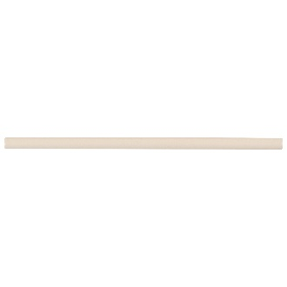 | HONEYPOT PENCIL LINER | 12" x 0.5" | 11.81" x 0.47" | 0.038 | 1.14 | 0.09 | 2.70 | 30 | 4,500 | 150 | PCS | $18.33 | PCS
ATYANTHAIJ | ANTHAIJ |  | JUNIPER 5x5 | 5" x 5" | 5.12" x 5.12" | 0.181 | 5.973 | 0.58 | 19.14 | 33 | 3,960 | 120 | BOX | $23.25 | SF
ATYANTHAIJPL | ANTHAIJPL |  | JUNIPER PENCIL LINER | 12" x 0.5" | 11.81" x 0.47" | 0.038 | 1.14 | 0.09 | 2.70 | 30 | 4,500 | 150 | PCS | $18.33 | PCS
ATYANTHAIL | ANTHAIL |  | LACE 5x5 | 5" x 5" | 5.12" x 5.12" | 0.181 | 5.973 | 0.58 | 19.14 | 33 | 3,960 | 120 | BOX | $23.25 | SF
ATYANTHAILPL | ANTHAILPL |  | LACE PENCIL LINER | 12" x 0.5" | 11.81" x 0.47" | 0.038 | 1.14 | 0.09 | 2.70 | 30 | 4,500 | 150 | PCS | $18.33 | PCS
ATYANTHAIMH | ANTHAIMH | 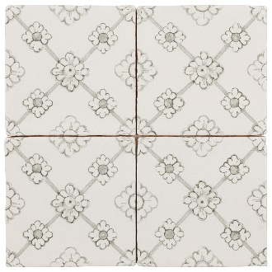 | MATISSE HABITAT | 5" x 5" | 5.12" x 5.12" | 0.181 | 5.973 | 0.58 | 19.14 | 33 | 3,960 | 120 | BOX | $23.25 | SF
ATYANTHAIMHP | ANTHAIMHP | 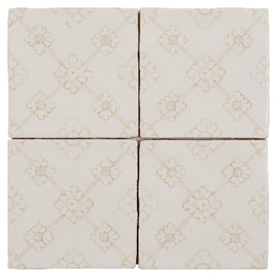 | MATISSE HONEYPOT | 5" x 5" | 5.12" x 5.12" | 0.181 | 5.973 | 0.58 | 19.14 | 33 | 3,960 | 120 | BOX | $23.25 | SF
ATYANTHAIMJ | ANTHAIMJ | 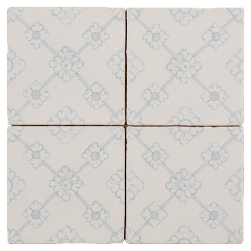 | MATISSE JUNIPER | 5" x 5" | 5.12" x 5.12" | 0.181 | 5.973 | 0.58 | 19.14 | 33 | 3,960 | 120 | BOX | $23.25 | SF
ATYANTHAIMM | ANTHAIMM | 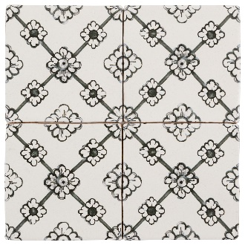 | MATISSE MOONSTONE | 5" x 5" | 5.12" x 5.12" | 0.181 | 5.973 | 0.58 | 19.14 | 33 | 3,960 | 120 | BOX | $23.25 | SF
ATYANTHAIMPL | ANTHAIMPL |  | MOONSTONE PENCIL LINER | 12" x 0.5" | 11.81" x 0.47" | 0.038 | 1.14 | 0.09 | 2.70 | 30 | 4,500 | 150 | PCS | $18.33 | PCS
 | BOUTIQUE SLEEK
ATYANTHBSFO | ANTHBSFO | 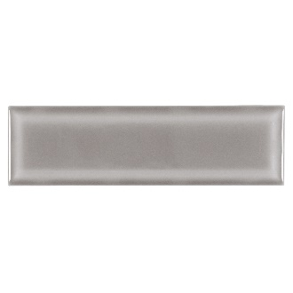 | FOSSIL | 3" x 9" | 2.72" x 9.45" | 0.178 | 10.68 | 0.59 | 35.40 | 60 | 3,840 | 64 | BOX | $23.33 | SF
ATYANTHBSIN | ANTHBSIN | 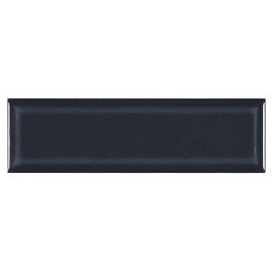 | INDIGO | 3" x 9" | 2.72" x 9.45" | 0.178 | 10.68 | 0.59 | 35.40 | 60 | 3,840 | 64 | BOX | $25.54 | SF
ATYANTHBSSA | ANTHBSSA | 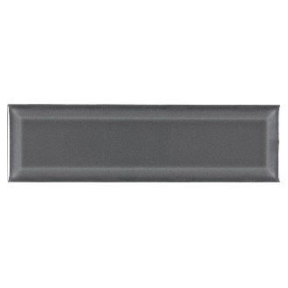 | SABLE | 3" x 9" | 2.72" x 9.45" | 0.178 | 10.68 | 0.59 | 35.40 | 60 | 3,840 | 64 | BOX | $25.88 | SF
ATYANTHBSSG | ANTHBSSG |  | SALT GLOSSY | 3" x 9" | 2.72" x 9.45" | 0.178 | 10.68 | 0.59 | 35.40 | 60 | 3,840 | 64 | BOX | $23.33 | SF
ATYANTHBSSM | ANTHBSSM | 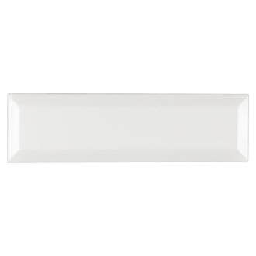 | SALT MATTE |  |  | 0.178 | 10.68 | 0.59 | 35.40 | 60 | 3,840 | 64 | BOX | $24.21 | SF
 | CALYPSO
ATYANTHCPC | ANTHCPC | 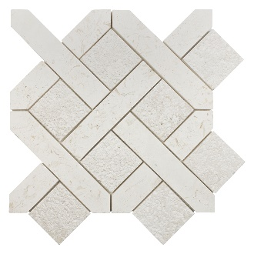 | CATALINA | 13" x 13" | 12.6" x 12.6" | 0.825 | 8.2501 | 4.23 | 42.30 | 10 | 360 | 36 | PCS | $39.18 | PCS
ATYANTHCPS | ANTHCPS | 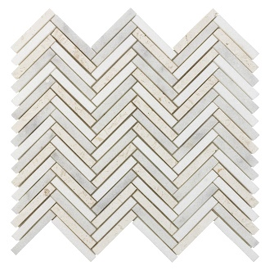 | SHORELINES | 12" x 13" | 12.4" x 12.6" | 0.883 | 8.83 | 4.52 | 45.20 | 10 | 360 | 36 | PCS | $42.34 | PCS
 | CASABLANCA
ATYANTHCAAF | ANTHCAAF | 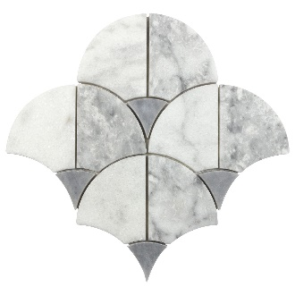 | ARABIAN FAN | 9" x 9" | 9.45" x 9.45" | 0.474 | 4.74 | 2.43 | 24.30 | 10 | 640 | 64 | PCS | $32.82 | PCS
ATYANTHCACAP | ANTHCACAP |  | CARRARA PENCIL | 1" x 12" | 0.79" x 12.01" | 0.066 | 3.3 | 0.44 | 22.00 | 50 | 1,050 | 21 | PCS | $24.60 | PCS
ATYANTHCACS | ANTHCACS | 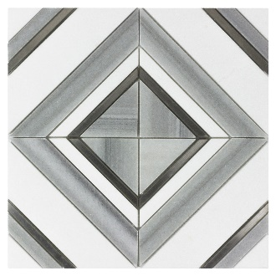 | CENTRAL SQUARE | 12" x 12" | 11.81" x 11.81" | 0.995 | 8.9552 | 4.22 | 37.98 | 9 | 567 | 63 | PCS | $72.71 | PCS
ATYANTHCAFE | ANTHCAFE | 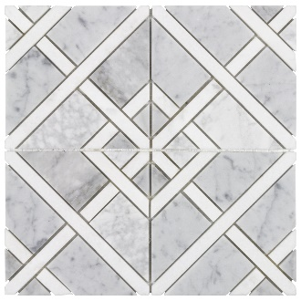 | FEZ | 12" x 12" | 11.81" x 11.81" | 0.969 | 8.7209 | 3.66 | 32.94 | 9 | 567 | 63 | PCS | $61.72 | PCS
ATYANTHCAFO | ANTHCAFO | 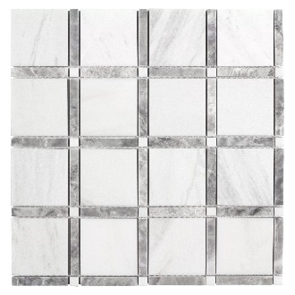 | FORTRESS | 12" x 12" | 12.05" x 12.05" | 1.01 | 8.08 | 4.52 | 36.16 | 8 | 504 | 63 | PCS | $34.44 | PCS
ATYANTHCAGA | ANTHCAGA | 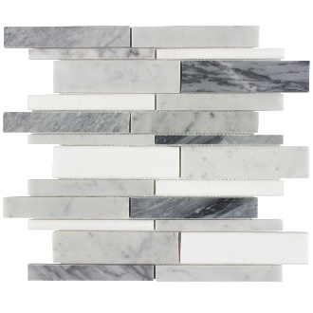 | GALLERIE 38 | 12" x 14" | 12.01" x 13.78" | 1 | 9 | 4.38 | 39.42 | 9 | 567 | 63 | PCS | $39.80 | PCS
ATYANTHCAJA | ANTHCAJA | 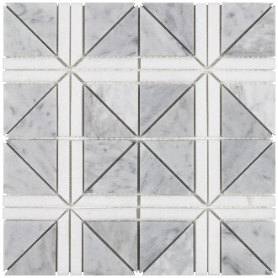 | JARDIN | 12" x 12" | 11.81" x 11.81" | 0.969 | 8.7209 | 3.53 | 31.77 | 9 | 567 | 63 | PCS | $61.72 | PCS
ATYANTHCAKA | ANTHCAKA | 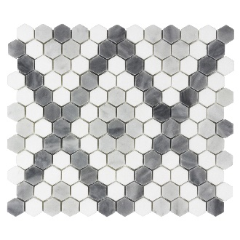 | KASBAH | 12" x 12" | 11.81" x 11.81" | 0.84 | 7.5598 | 3.24 | 29.16 | 9 | 567 | 63 | PCS | $61.72 | PCS
ATYANTHCAKP | ANTHCAKP | 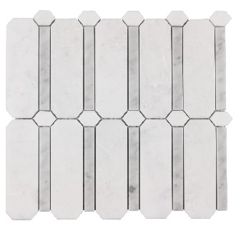 | KINGS PLACE | 12" x 12" | 11.81" x 11.81" | 0.976 | 9.7599 | 4.30 | 43.00 | 10 | 630 | 63 | PCS | $46.38 | PCS
ATYANTHCALE | ANTHCALE | 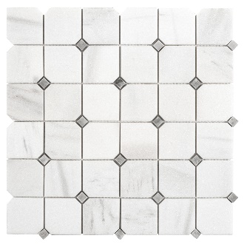 | LEGACY | 12" x 12" | 11.73" x 11.73" | 0.96 | 7.6798 | 4.52 | 36.16 | 8 | 504 | 63 | PCS | $32.54 | PCS
ATYANTHCAMA | ANTHCAMA | 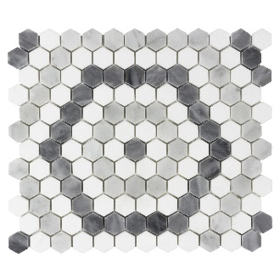 | MARRAKESH | 12" x 12" | 11.81" x 11.81" | 0.84 | 7.5598 | 3.25 | 29.25 | 9 | 567 | 63 | PCS | $61.72 | PCS
ATYANTHCAME | ANTHCAME | 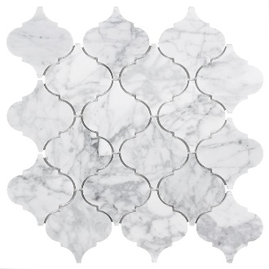 | MEDINA | 13" x 13" | 12.6" x 12.6" | 0.9 | 8.1001 | 4.01 | 36.09 | 9 | 567 | 63 | PCS | $47.12 | PCS
ATYANTHCAMER | ANTHCAMER | 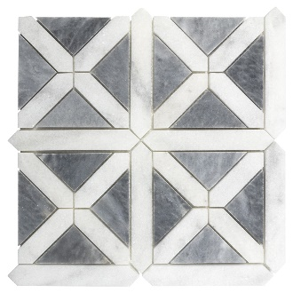 | MERIDIAN | 12" x 12" | 12.01" x 12.01" | 0.924 | 9.2396 | 4.74 | 47.40 | 10 | 360 | 36 | PCS | $42.34 | PCS
ATYANTHCAMF | ANTHCAMF | 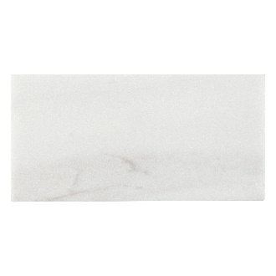 | MAJESTIC FIELD 3X6 |  |  | 0.12 | 6 | 0.57 | 28.50 | 50 | 4,000 | 80 | BOX | $26.61 | SF
ATYANTHCAMM | ANTHCAMM | 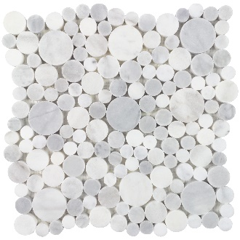 | MOROCCO MOONLIGHT | 13" x 13" | 12.6" x 12.6" | 1 | 5 | 5.00 | 25.00 | 5 | 360 | 72 | PCS | $58.08 | PCS
ATYANTHCAMOR | ANTHCAMOR | 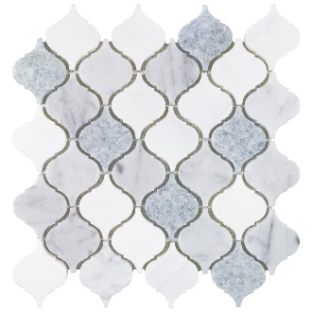 | MOROCCO | 14" x 13" | 13.78" x 12.6" | 1 | 5 | 4.40 | 22.00 | 5 | 540 | 108 | PCS | $61.72 | PCS
ATYANTHCAOTH | ANTHCAOTH | 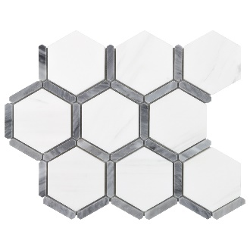 | OLD TOWNE HEX | 10" x 12" | 9.84" x 11.81" | 0.665 | 3.3249 | 2.70 | 13.50 | 5 | 540 | 108 | PCS | $54.41 | PCS
ATYANTHCAPM | ANTHCAPM | 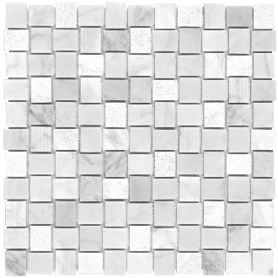 | PARC MOSAIC | 12" x 12" | 12.01" x 12.01" | 0.969 | 8.7209 | 3.92 | 35.28 | 9 | 567 | 63 | PCS | $45.31 | PCS
ATYANTHCARW312 | ANTHCARW312 |  | ROYAL WHITE 3X12 | 3" x 12" | 2.95" x 11.81" | 0.247 | 3.705 | 1.41 | 21.15 | 15 | 1,440 | 96 | BOX | $59.92 | SF
ATYANTHCARWP | ANTHCARWP |  | ROYAL WHITE PENCIL | 1" x 12" | 0.79" x 12.01" | 0.066 | 3.3 | 0.44 | 22.00 | 50 | 1,050 | 21 | PCS | $24.60 | PCS
ATYANTHCASA | ANTHCASA | 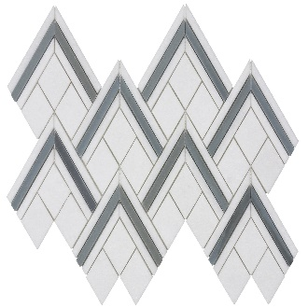 | SAHARA | 14" x 14" | 13.78" x 13.78" | 0.96 | 9.5997 | 3.45 | 34.50 | 10 | 630 | 63 | PCS | $54.41 | PCS
ATYANTHCATA | ANTHCATA | 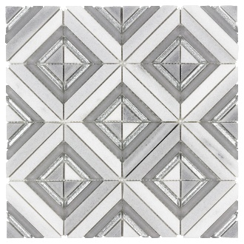 | TAZA | 12" x 12" | 11.81" x 11.81" | 0.995 | 9.9502 | 3.74 | 37.40 | 10 | 630 | 63 | PCS | $71.95 | PCS
ATYANTHCATAN | ANTHCATAN | 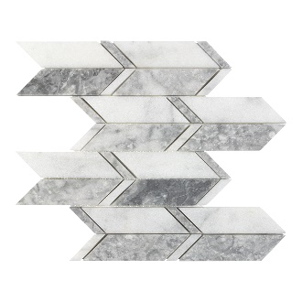 | TANGIER | 12" x 15" | 12.01" x 14.96" | 0.855 | 8.5499 | 4.41 | 44.10 | 10 | 240 | 24 | PCS | $42.34 | PCS
 | CHARISMA
ATYANTHCHAL | ANTHCHAL | 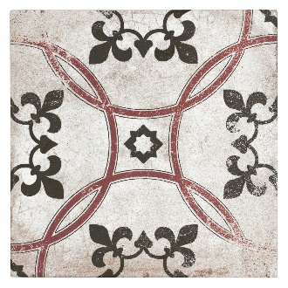 | ALHAMBRA | 9" x 9" | 8.86" x 8.86" | 0.539 | 10.7799 | 2.23 | 44.60 | 20 | 1,440 | 72 | BOX | $22.79 | SF
ATYANTHCHBA | ANTHCHBA | 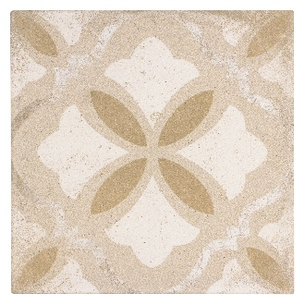 | BARCELONA | 9" x 9" | 8.86" x 8.86" | 0.539 | 10.7799 | 2.23 | 44.60 | 20 | 1,440 | 72 | BOX | $22.79 | SF
ATYANTHCHHE | ANTHCHHE | 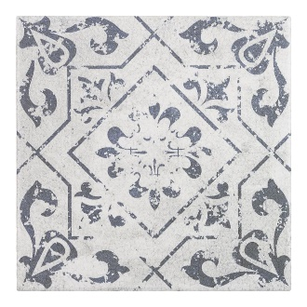 | HEIRLOOM |  |  | 0.239 | 5.258 | 0.94 | 20.68 | 22 | 2,112 | 96 | BOX | $21.03 | SF
ATYANTHCHNO | ANTHCHNO | 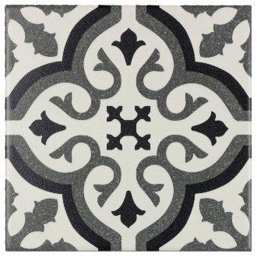 | NOUVEAU - DISCONTINUED (CHECK AVAILABILITY) | 6X6 | 5.87 x 5.87 | 0.239 | 5.258 | 0.94 | 20.61 | 22 | 2,112 | 96 | BOX | $21.03 | SF
ATYANTHCHTO | ANTHCHTO | 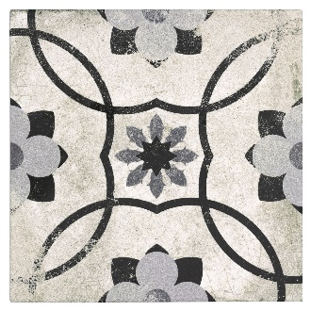 | TOLEDO | 9" x 9" | 8.86" x 8.86" | 0.539 | 10.7799 | 2.23 | 44.60 | 20 | 1,440 | 72 | BOX | $22.79 | SF
ATYANTHCHVA | ANTHCHVA | 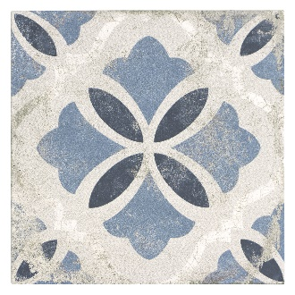 | VALENCIA | 9" x 9" | 8.86" x 8.86" | 0.539 | 10.7799 | 2.23 | 44.60 | 20 | 1,440 | 72 | BOX | $21.92 | SF
 | CHIC
ATYANTHCHMA | ANTHCHMA | 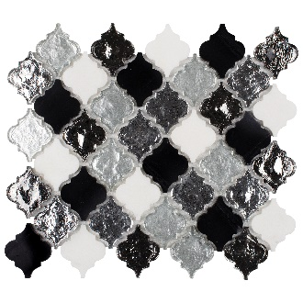 | MIDNIGHT ARABESQUE | 13" x 12" | 13.23" x 11.61" | 0.862 | 8.6199 | 2.69 | 26.90 | 10 | 720 | 72 | PCS | $62.66 | PCS
ATYANTHCHMS | ANTHCHMS | 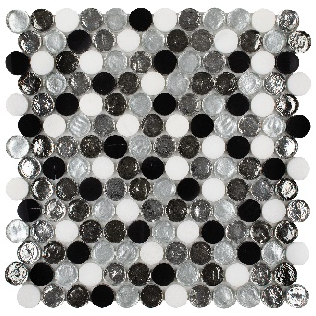 | MIDNIGHT SUN | 13" x 13" | 13.15" x 12.91" | 1.077 | 10.7701 | 4.01 | 40.10 | 10 | 720 | 72 | PCS | $66.64 | PCS
ATYANTHCHPA | ANTHCHPA | 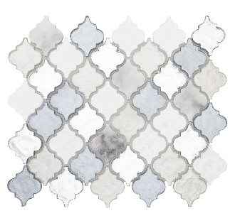 | PERSIAN ARABESQUE | 13" x 12" | 13.23" x 11.61" | 0.862 | 8.6199 | 2.69 | 26.90 | 10 | 720 | 72 | PCS | $61.86 | PCS
ATYANTHCHPS | ANTHCHPS | 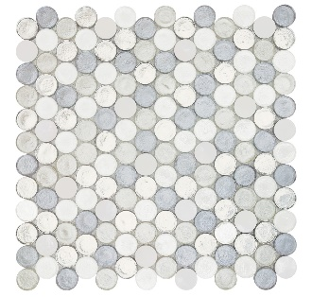 | PERSIAN SUN | 13" x 13" | 13.15" x 12.91" | 1.077 | 10.7701 | 4.01 | 40.10 | 10 | 720 | 72 | PCS | $64.29 | PCS
ATYANTHCHTA | ANTHCHTA | 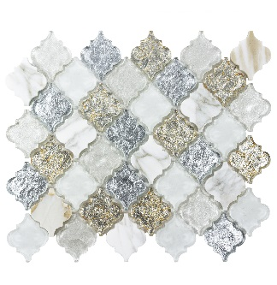 | TUSCAN ARABESQUE | 13" x 12" | 13.23" x 11.61" | 0.862 | 8.6199 | 2.69 | 26.90 | 10 | 720 | 72 | PCS | $67.18 | PCS
ATYANTHCHTS | ANTHCHTS | 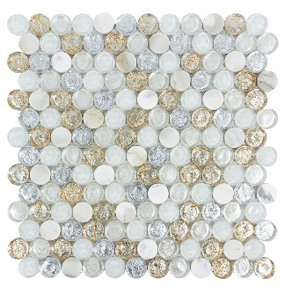 | TUSCAN SUN | 13" x 13" | 13.15" x 12.91" | 1.077 | 10.7701 | 4.01 | 40.10 | 10 | 720 | 72 | PCS | $67.18 | PCS
 | DAZZLE
ATYANTHDABG | ANTHDABG | 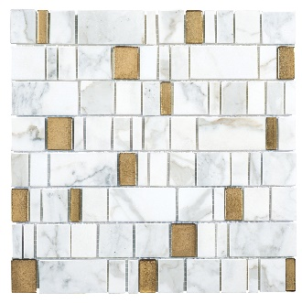 | BRAVADO GOLD | 12" x 12" | 11.63" x 11.57" | 0.936 | 8.4238 | 3.86 | 34.74 | 9 | 648 | 72 | PCS | $54.41 | PCS
ATYANTHDABS | ANTHDABS | 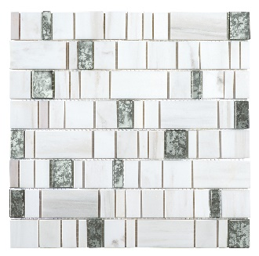 | BRAVADO SILVER | 12" x 12" | 11.67" x 11.61" | 0.934 | 8.4057 | 3.61 | 32.49 | 9 | 648 | 72 | PCS | $54.41 | PCS
ATYANTHDAJG | ANTHDAJG | 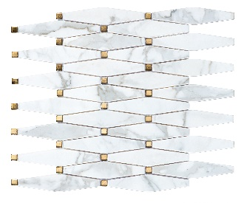 | JOLIE GOLD | 12" x 15" | 12.35" x 15.03" | 1.002 | 9.018 | 3.86 | 34.74 | 9 | 648 | 72 | PCS | $65.40 | PCS
ATYANTHDAJS | ANTHDAJS |  | JOLIE SILVER | 15" x 13" | 15.16" x 12.6" | 1.002 | 9.018 | 4.09 | 36.81 | 9 | 648 | 72 | PCS | $65.40 | PCS
ATYANTHDAKG | ANTHDAKG |  | KALEIDOSCOPE GOLD | 9" x 10" | 8.96" x 10.36" | 0.644 | 7.084 | 3.20 | 35.20 | 11 | 792 | 72 | PCS | $58.08 | PCS
ATYANTHDAKS | ANTHDAKS |  | KALEIDOSCOPE SILVER | 9" x 10" | 8.96" x 10.36" | 0.644 | 7.084 | 3.20 | 35.20 | 11 | 792 | 72 | PCS | $58.08 | PCS
ATYANTHDALG | ANTHDALG |  | LIMELIGHT GOLD | 12" x 12" | 11.81" x 11.81" | 0.958 | 10.5384 | 4.08 | 44.88 | 11 | 792 | 72 | PCS | $58.08 | PCS
ATYANTHDALS | ANTHDALS |  | LIMELIGHT SILVER | 12" x 12" | 11.81" x 11.81" | 0.958 | 10.5384 | 4.08 | 44.88 | 11 | 792 | 72 | PCS | $58.08 | PCS
ATYANTHDASG | ANTHDASG |  | SYMMETRY GOLD | 11" x 15" | 11.42" x 14.76" | 0.851 | 8.5099 | 3.42 | 34.20 | 10 | 720 | 72 | PCS | $65.40 | PCS
ATYANTHDASS | ANTHDASS |  | SYMMETRY SILVER | 11" x 15" | 11.42" x 14.76" | 0.851 | 8.5099 | 3.42 | 34.20 | 10 | 720 | 72 | PCS | $65.40 | PCS
 | D-LUX PEARL
ATYANTHDLPAG | ANTHDLPAG |  | ADLEY GREY | 14" x 12" | 13.7" x 12.2" | 0.88 | 7.9197 | 3.70 | 33.30 | 9 | 648 | 72 | PCS | $69.04 | PCS
ATYANTHDLPAP | ANTHDLPAP |  | APEX PEARL | 14" x 14" | 13.62" x 13.94" | 1.0981 | 9.8825 | 4.19 | 37.71 | 9 | 567 | 63 | PCS | $65.40 | PCS
ATYANTHDLPAPW | ANTHDLPAPW |  | AVIGNON PEARL WHITE | 12" x 10" | 12.48" x 9.72" | 0.716 | 6.4442 | 2.87 | 25.83 | 9 | 648 | 72 | PCS | $69.04 | PCS
ATYANTHDLPASP | ANTHDLPASP |  | APEX SMOKEY PEARL | 14" x 14" | 13.62" x 13.94" | 1.0981 | 9.8825 | 4.19 | 37.71 | 9 | 567 | 63 | PCS | $69.04 | PCS
ATYANTHDLPAVSP | ANTHDLPAVSP |  | AVIGNON SMOKEY PEARL | 12" x 10" | 12.48" x 9.72" | 0.716 | 6.4442 | 2.87 | 25.83 | 9 | 648 | 72 | PCS | $69.04 | PCS
ATYANTHDLPAW | ANTHDLPAW |  | ADLEY WHITE | 14" x 12" | 13.7" x 12.2" | 0.88 | 7.9197 | 3.70 | 33.30 | 9 | 648 | 72 | PCS | $69.04 | PCS
ATYANTHDLPCPS | ANTHDLPCPS |  | CELESTIAL PEARL SLIVERS | 13" x 13" | 12.8" x 12.8" | 0.981 | 23.5433 | 1.04 | 24.96 | 24 | 1,728 | 72 | PCS | $65.40 | PCS
ATYANTHDLPHPM | ANTHDLPHPM |  | HEXETTE PEARL MIX | 13" x 12" | 12.6" x 12.48" | 1.017 | 9.1529 | 3.58 | 32.22 | 9 | 648 | 72 | PCS | $72.71 | PCS
ATYANTHDLPPS | ANTHDLPPS |  | PEARL SLIVERS | 13" x 13" | 12.8" x 12.8" | 0.981 | 23.5433 | 0.99 | 23.76 | 24 | 1,728 | 72 | PCS | $65.40 | PCS
ATYANTHDLPSPS | ANTHDLPSPS |  | SMOKEY PEARL SLIVERS | 13" x 13" | 12.8" x 12.8" | 0.981 | 23.5433 | 0.79 | 18.96 | 24 | 1,728 | 72 | PCS | $65.40 | PCS
 | ESSENTIALS
ATYANTHESMI26 | ANTHESMI26 |  | MIST 2 X 6 | 12" x 15" | 11.81" x 14.76" | 0.96 | 8.6397 | 3.83 | 34.47 | 9 | 567 | 63 | PCS | $32.85 | PCS
ATYANTHESMI312 | ANTHESMI312 |  | MIST 3 X 12 | 3" x 12" | 2.95" x 11.73" | 0.24 | 5.76 | 0.93 | 22.32 | 24 | 2,304 | 96 | BOX | $31.02 | SF
ATYANTHESMI48 | ANTHESMI48 |  | MIST 4 X 8 | 4" x 8" | 3.86" x 7.8" | 0.21 | 5.04 | 0.79 | 18.96 | 24 | 2,688 | 112 | BOX | $31.02 | SF
ATYANTHESSI26 | ANTHESSI26 |  | SILK 2 X 6 | 12" x 15" | 11.81" x 14.76" | 0.96 | 8.6397 | 3.83 | 34.47 | 9 | 567 | 63 | PCS | $36.58 | PCS
ATYANTHESSI312 | ANTHESSI312 |  | SILK 3 X 12 | 3" x 12" | 2.95" x 11.73" | 0.24 | 5.76 | 0.93 | 22.32 | 24 | 2,304 | 96 | BOX | $36.44 | SF
 | EUPHORIA
ATYANTHEUAD | ANTHEUAD |  | AMBIANCE DESTINY | 13" x 10" | 13.27" x 10.39" | 0.742 | 8.1621 | 2.40 | 26.40 | 11 | 792 | 72 | PCS | $74.89 | PCS
ATYANTHEUAO | ANTHEUAO |  | AMBIANCE OPULENCE | 13" x 11" | 13.43" x 10.55" | 0.742 | 8.1621 | 2.40 | 26.40 | 11 | 792 | 72 | PCS | $74.89 | PCS
ATYANTHEUAS | ANTHEUAS |  | AMBIANCE SERENITY | 13" x 10" | 13.27" x 10.39" | 0.742 | 8.1621 | 2.40 | 26.40 | 11 | 792 | 72 | PCS | $74.89 | PCS
ATYANTHEUCO | ANTHEUCO |  | CRAVE OPULENCE | 9" x 13" | 9.45" x 12.83" | 0.496 | 5.4561 | 1.65 | 18.15 | 11 | 792 | 72 | PCS | $55.34 | PCS
ATYANTHEUCS | ANTHEUCS |  | CRAVE SERENITY | 9" x 13" | 9.45" x 12.83" | 0.496 | 5.4561 | 1.65 | 18.15 | 11 | 792 | 72 | PCS | $55.34 | PCS
ATYANTHEUDO | ANTHEUDO |  | DIMENSIONS OPULENCE | 15" x 12" | 14.57" x 11.69" | 0.953 | 8.5771 | 3.75 | 33.75 | 9 | 729 | 81 | PCS | $72.60 | PCS
ATYANTHEUDS | ANTHEUDS |  | DIMENSIONS SERENITY | 15" x 12" | 14.57" x 11.69" | 0.953 | 8.5771 | 3.75 | 33.75 | 9 | 729 | 81 | PCS | $72.60 | PCS
ATYANTHEUMR | ANTHEUMR |  | MYSTIC RAIN |  |  | 0.856 | 8.5602 | 3.06 | 30.60 | 10 | 720 | 72 | PCS | $56.36 | PCS
ATYANTHEUOP | ANTHEUOP |  | EUPHORIA OPULENCE PENCIL | 12" x 1" | 12.01" x 0.59" | 0.05 | 9.9 | 0.21 | 41.58 | 198 | 14,256 | 72 | PCS | $18.70 | PCS
ATYANTHEUSP | ANTHEUSP |  | EUPHORIA SERENITY PENCIL | 12" x 1" | 12.01" x 0.59" | 0.05 | 9.9 | 0.21 | 41.58 | 198 | 14,256 | 72 | PCS | $18.70 | PCS
 | FABRIQUE & NATURE
ATYANTHFACRH | ANTHFACRH |  | CARRARA HERRINGBONE | 14" x 14" | 13.78" x 13.58" | 0.801 | 8.8113 | 2.65 | 29.15 | 11 | 891 | 81 | PCS | $51.53 | PCS
ATYANTHFACRHX | ANTHFACRHX |  | CARRARA HEX | 13" x 13" | 13.31" x 12.8" | 0.975 | 10.7254 | 3.00 | 33.00 | 11 | 891 | 81 | PCS | $48.22 | PCS
ATYANTHFACRM | ANTHFACRM |  | CARRARA MICRO | 14" x 14" | 13.78" x 13.58" | 0.955 | 10.5052 | 2.65 | 29.15 | 11 | 891 | 81 | PCS | $48.56 | PCS
ATYANTHFACRP | ANTHFACRP |  | CARRARA PENNIES | 12" x 13" | 11.57" x 12.8" | 0.98 | 10.7801 | 2.54 | 27.94 | 11 | 891 | 81 | PCS | $48.28 | PCS
ATYANTHFACRPBL | ANTHFACRPBL |  | CARRARA PEBBLE | 14" x 14" | 13.78" x 13.58" | 1.001 | 11.011 | 2.65 | 29.15 | 11 | 891 | 81 | PCS | $51.47 | PCS
ATYANTHFACRPK | ANTHFACRPK |  | CARRARA PICKET | 11" x 12" | 11.34" x 12.2" | 0.831 | 9.1408 | 2.43 | 26.73 | 11 | 891 | 81 | PCS | $43.47 | PCS
ATYANTHFACRW | ANTHFACRW |  | CARRARA WILLOW | 13" x 12" | 12.8" x 12.09" | 0.99 | 10.89 | 2.65 | 29.15 | 11 | 891 | 81 | PCS | $48.28 | PCS
 | FANTASY
ATYANTHFYMF | ANTHFYMF |  | MODERNE FANFARE | 9" x 15" | 8.66" x 14.92" | 0.446 | 9.8118 | 0.88 | 19.36 | 22 | 1,848 | 84 | PCS | $54.07 | PCS
ATYANTHFYSF | ANTHFYSF |  | SPLENDOR FANFARE | 9" x 15" | 8.66" x 14.92" | 0.446 | 9.8118 | 0.88 | 19.36 | 22 | 1,848 | 84 | PCS | $54.07 | PCS
ATYANTHFYTF | ANTHFYTF |  | MARITIME FANFARE | 9" x 15" | 8.66" x 14.92" | 0.446 | 9.8118 | 0.88 | 19.36 | 22 | 1,848 | 84 | PCS | $54.07 | PCS
 | FIFTH AVENUE
ATYANTHFIMC | ANTHFIMC |  | MANHATTAN CLOUD | 12" x 4" | 11.81" x 3.94" | 0.323 | 10.3359 | 1.04 | 33.28 | 32 | 2,592 | 81 | BOX | $46.24 | SF
ATYANTHFIMD | ANTHFIMD |  | MANHATTAN DOVE | 12" x 4" | 11.81" x 3.94" | 0.323 | 10.3359 | 1.04 | 33.28 | 32 | 2,592 | 81 | BOX | $46.24 | SF
ATYANTHFIPC | ANTHFIPC |  | PENCIL CLOUD | 1" x 8" | 0.79" x 7.87" | 0.043 | 3.612 | 0.17 | 14.28 | 84 | 6,720 | 80 | PCS | $18.41 | PCS
ATYANTHFIPD | ANTHFIPD |  | PENCIL DOVE | 1" x 8" | 0.79" x 7.87" | 0.043 | 3.612 | 0.17 | 14.28 | 84 | 6,720 | 80 | PCS | $18.41 | PCS
ATYANTHFISKC | ANTHFISKC |  | SKYLINE CLOUD 2"x8" | 2" x 8" | 1.97" x 7.87" | 0.108 | 4.968 | 0.36 | 16.56 | 46 | 3,680 | 80 | BOX | $26.16 | SF
 | FOUNDATIONS
ATYANTHFOPPE | ANTHFOPPE |  | PICKETFENCE PEWTER | 11" x 14" | 10.55" x 14.33" | 0.91 | 9.1 | 3.04 | 30.40 | 10 | 720 | 72 | PCS | $29.52 | PCS
ATYANTHFOPPL | ANTHFOPPL |  | PICKETFENCE PLASTER | 11" x 14" | 10.55" x 14.33" | 0.91 | 9.1 | 3.04 | 30.40 | 10 | 720 | 72 | PCS | $29.52 | PCS
ATYANTHFOPPLN | ANTHFOPPLN |  | PICKETFENCE PLAINS | 11" x 14" | 10.55" x 14.33" | 0.91 | 9.1 | 3.04 | 30.40 | 10 | 720 | 72 | PCS | $29.52 | PCS
ATYANTHFOSPE | ANTHFOSPE |  | STRUCTURE PEWTER | 14" x 12" | 13.66" x 12.24" | 0.92 | 9.1996 | 3.31 | 33.10 | 10 | 720 | 72 | PCS | $29.52 | PCS
...

